QuickStart
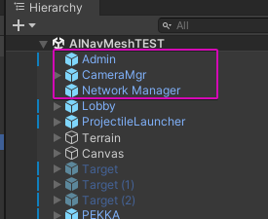
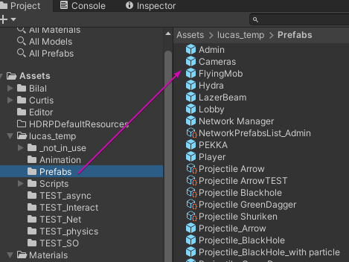
Spawn Player
 | (a) copy 3 object from this scene
 | or
 | (b) grab them from prefab

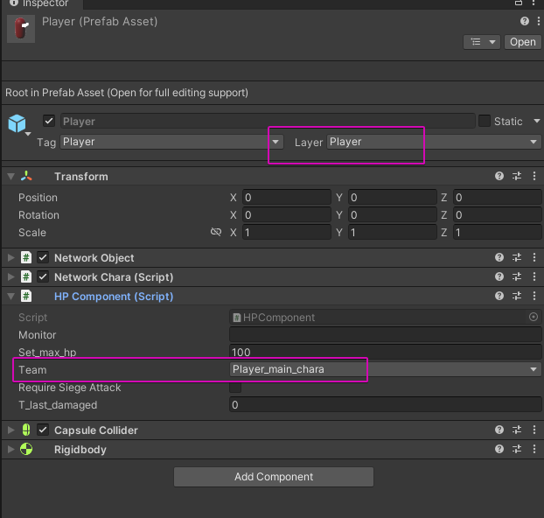
Player Object
 | spawned after connect / host a game

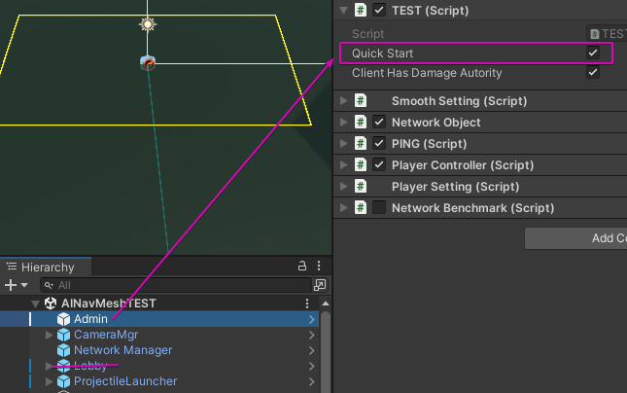
Quicker test
 | turn on QuickStart
 | it will skip lobby & start host

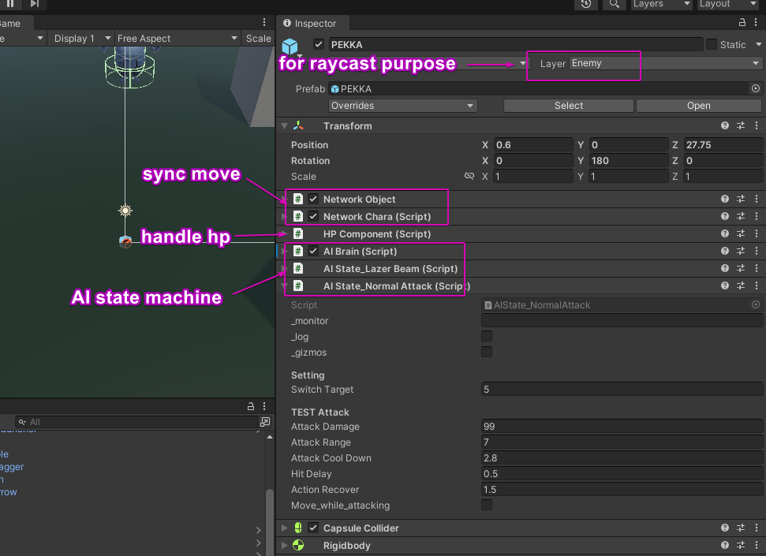
Setup enemy
 | for a quick start, copy from scene / grab prefab

AI
 | it's a state machine

 | child order matters
 | state priority = child order
 | eg. In the picture, LazerBeam > NormalAttack

Damage
 | anything damage-able require a HPComponent

Input
 | rn there is no universal solution
 | ( good for prototype, but messy )

 | eg
 | every ProjectileLauncher has a input key

 | if you want to use a key, disable conflict objects

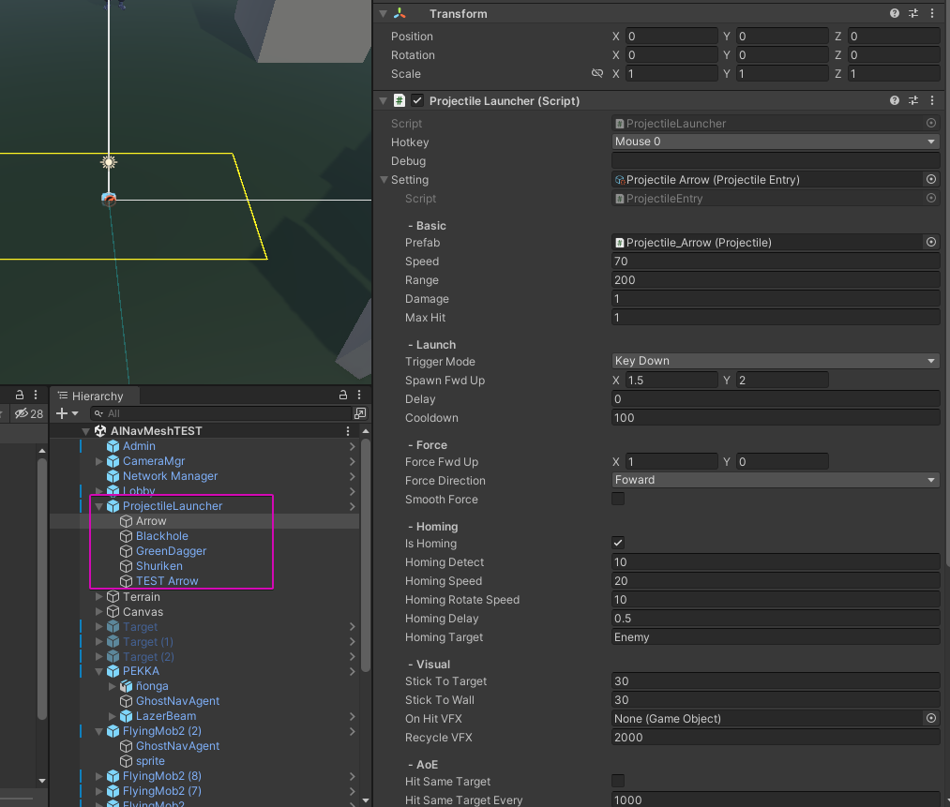
Projectile
 | most finished part of the game
 | a good reference for other attack-thinging

 | 1 script is attach to every bullet
 | 1 manager (launcher)
 | 1 data class

NavMesh
Nov-16

 | How-to bake

 |  | bake means pre-calculate way points from a 3D mesh
 |  | -> for things don't move ( eg walls )
 |  | -> for moving things (eg a move-able stone block) check NavObstacle / not implemented

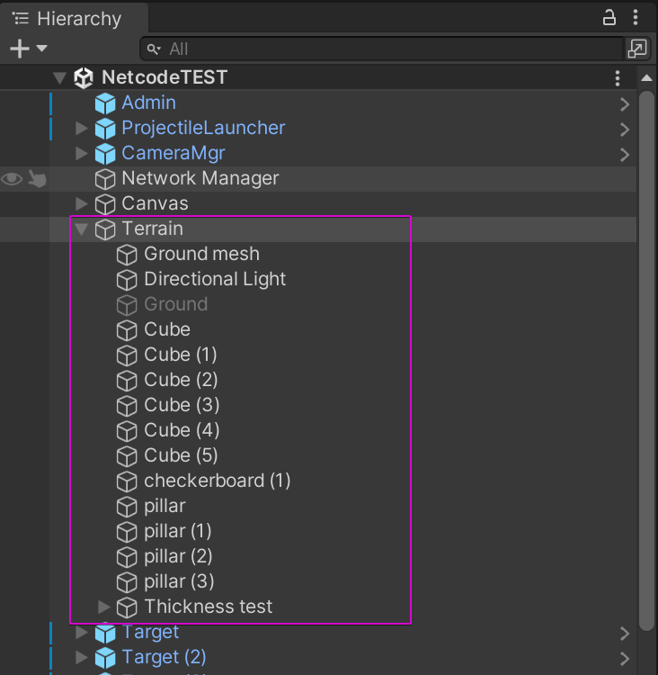
 | Step 1 | move all terrain under 1 parent

 | Step 2 | add 2x NavMeshSurface to parent
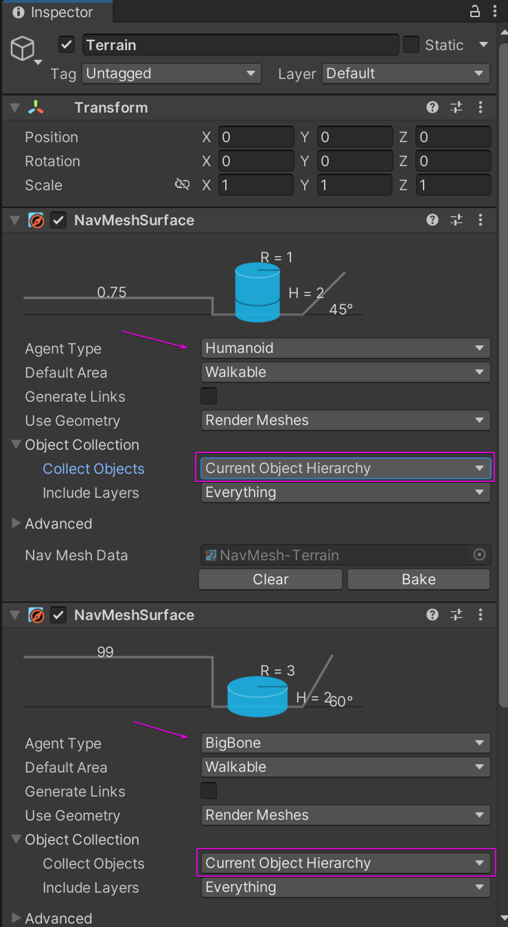
 |  | set to 'Current Object Hierarchy'
 |  | ( so we only consider child colliders )

 | Step 3 | bake and use

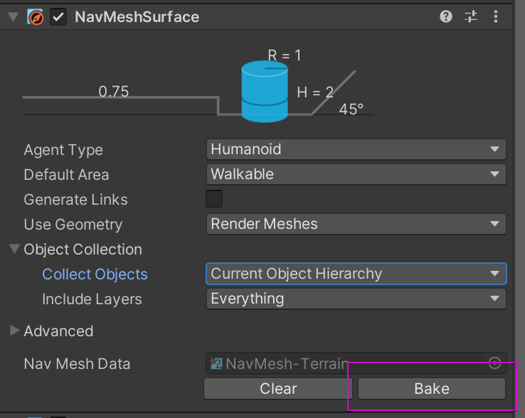
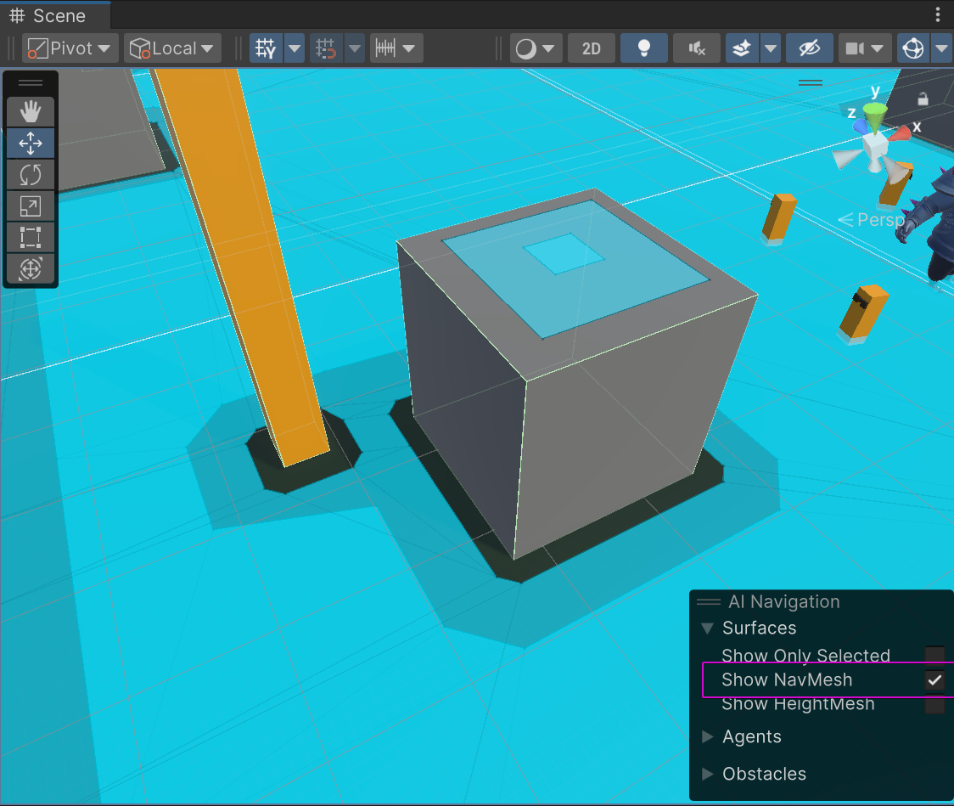

 |  | to check, toggle 'Show NavMesh'

 |  | ( there is move-able space on top of this cube
 |  | this is fine )

 |  | it's done!
 |  | drop a AI and try it

 | NavAgent on AI

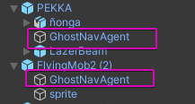
 |  | 1. AI has an agent as child

 |  | 2. when game start, those Agent deteach

 |  | 3. AIBrain will try to follow Agent

 |  | reason:
 |  | AI collider is physical
 |  | NavAgent is non-physical
 |  | this setup allow us to have the best of both world

Lobby
Nov-20

 | To use:
 |  | add this prefab in your scene
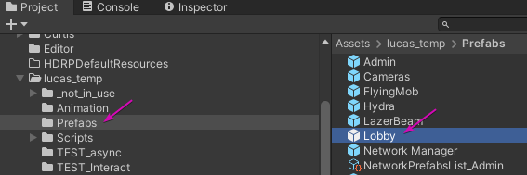

 | How it works:

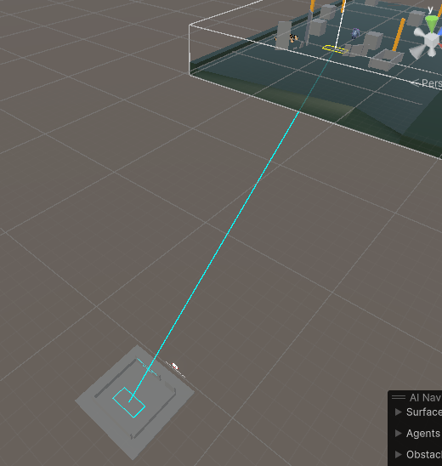
 |  | if a 'Lobby' exist
 |  |  | everyone will spawn at Cyan Zone
 |  |  | on game start, everyone teleport to Yellow Zone
 |  |  | ( ONLY host can start game )

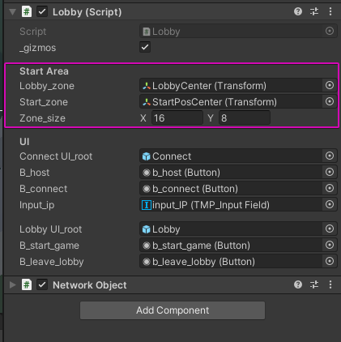

 |  | Choose a zone

 |  | Move it around

 |  | The Room / Terrain around is total customizable
 |  |  | keep it flat tho

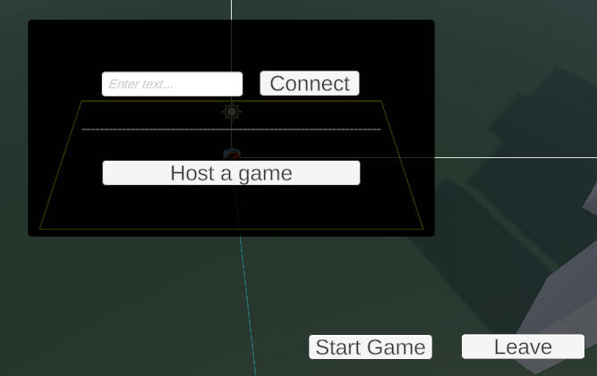
 |  | UI
 |  |  | 99% same as debug UI, but use a canvas

 |  | Late comers
 |  |  | You can still join after GameStart(), you will skip the lobby
 |  |  | ( only a contingency plan, it works but not tested extensively )

Map teleport
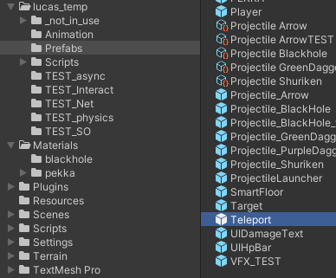
1. drag prefab into the scene

2. it will create a pair of A B

 | unique names (for eyeball
 | cannot change pair
 | if you delete 1, you delete the other too

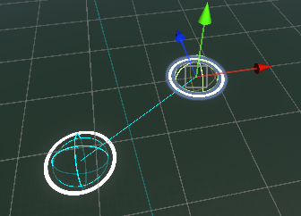
3. move them around as you want to

4. setting
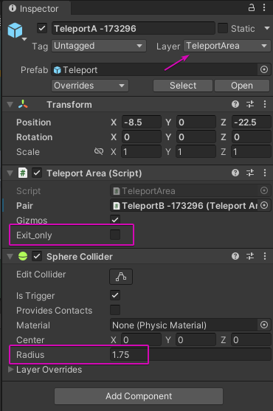

 |  | special layer ->

 | Gizmos = draw line between AB

 | Exit_only = cannot go back
 | ( you can use it as a switch )

 | area size = collider's radius

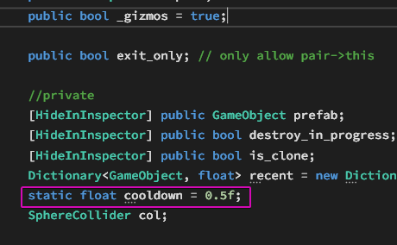

 | min teleport cooldown

